4.11
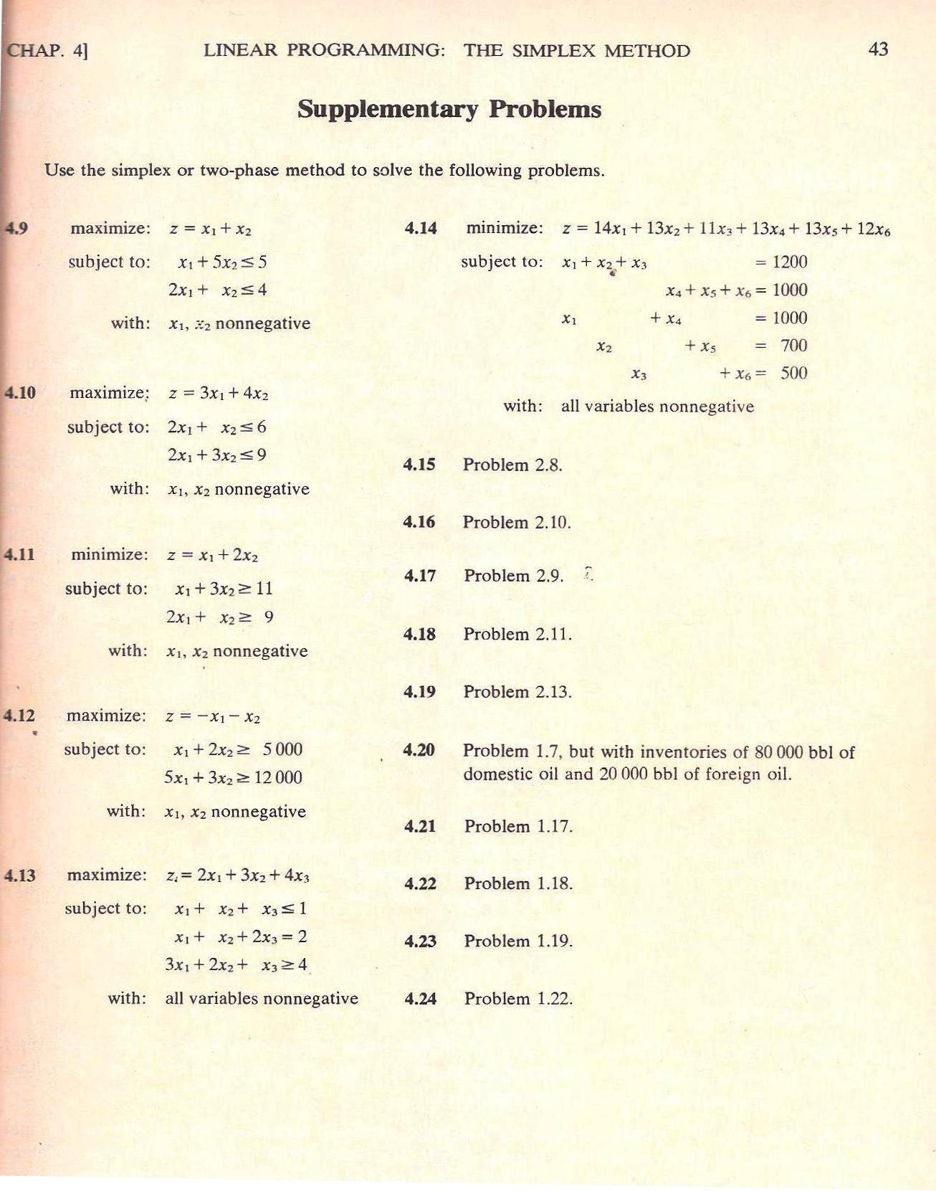
2018-03-03 |  | Bronson, 1982, "OR", Schaum --- Prb 4.11, p 43 |  |  |  |  |  |  |  |  |  |  | *
 | MIN |  | Exercise; solve 4.12 & give result (-3142,8) at your webpage. |  |  |  |  |  |  |  |  |  | *
x |  |  |  |  |  |  |  |  |  |  |  |  | *
1 | 1 |  |  |  |  |  |  |  |  |  |  |  | *
c |  |  |  |  |  |  |  |  | Solver model |  |  |  | *
1 | 2 | 3 | = zmin |  |  |  |  |  | 3 |  |  |  | *
x1 | x2 |  |  |  |  |  |  |  | 2 |  |  |  | *
A |  | Value |  | b |  |  |  |  | FALSE |  |  |  | *
1 | 3 | 4 | ≥ | 11 |  |  |  |  | 32767 |  |  |  | *
2 | 1 | 3 | ≥ | 9 |  |  |  |  | 0 |  |  |  | *
 |  |  |  |  |  |  |  |  |  |  |  |  | *
Standard form |  |  |  |  |  |  | Big M = | 100 |  |  |  |  | *
 | MIN |  |  |  |  |  |  |  |  |  |  |  | *
x |  |  |  |  |  |  |  |  |  |  | http://web.tecnico.ulisboa.pt/~mcasquilho/compute/or/Fx-LP-revised.php
1 | 1 | 1 | 1 | 1 | 1 |  |  |  |  |  | CWP |  | *
c |  |  |  |  |  |  |  |  | Solver model |  | min |  | *
1 | 2 | 0 | 0 | 100 | 100 | 203 | = zmin |  | 203 |  | 1 2 0 0 0 0 |  | *
x1 | x2 | x3 | x4 | x5 | x6 |  |  |  | 6 |  | 1 3 -1 0 1 0 11 |  | *
A |  |  |  |  |  | Value |  | b | FALSE |  | 2 1 0 -1 0 1 9 |  | *
1 | 3 | -1 | 0 | 1 | 0 | 4 | = | 11 | 32767 |  | 5 6 |  | *
2 | 1 | 0 | -1 | 0 | 1 | 3 | = | 9 | 0 |  | 5 6 |  | *
 |  |  |  |  |  |  |  |  |  |  |  |  | *
Proper form |  |  |  |  |  |  | Big M = | 100 |  |  |  |  | *
 | MIN |  |  |  |  |  |  |  |  |  |  |  | *
x |  |  |  |  |  |  |  |  |  |  | http://web.tecnico.ulisboa.pt/~mcasquilho/compute/or/Fx-cplexLP.php
1 | 1 | 1 | 1 | 1 | 1 |  |  |  |  |  | https://neos-server.org/neos/solvers/
c |  |  |  |  |  |  |  |  |  |  | CPLEX |  | *
1 | 2 | 0 | 0 | 100 | 100 | z0 = | 2000 |  | Solver model |  | min x1+2x2 |  | *
-299 | -398 | 100 | 100 | 0 | 0 | 1503 | = zmin |  | 1503 |  | subject to |  | *
x1 | x2 | x3 | x4 | x5 | x6 |  |  |  | 6 |  | x1+3x2>11 |  | *
A |  |  |  |  |  | Value |  | b | FALSE |  | 2x1+x2>9 |  | *
1 | 3 | -1 | 0 | 1 | 0 | 4 | = | 11 | 32767 |  | end |  | *
2 | 1 | 0 | -1 | 0 | 1 | 3 | = | 9 | 0 |  |  |  | *
* | * | * | * | * | * | * | * | * | * | * | * | *

