IP
2018-04-05 |  | Wolsey, Laurence, 1998, "Integer Programming", John Wiley, New York (USA), p 95 |  |  |  |  |  |  |  |  |  |  | *
Mar-2007 |  | x = (x1, x2) |  |  |  |  |  |  |  |  |  |  | *
 | MAX |  |  |  |  |  |  |  |  |  |  |  | *
CONTINUOUS VARIABLES |  |  |  | Maximize |  |  |  |  |  |  |  |  | *
x = | 1 | 1 |  |  |  | Solver model |  |  |  |  |  |  | *
7.1) | 4 | -1 | 3 | = z max (8,42…) |  | 3 |  |  |  |  |  |  | *
 | x1 | x2 |  | RHS (max) |  | 2 |  |  |  |  |  |  | *
7.2) | 7 | -2 | 5 | 14 |  | TRUE |  |  |  |  |  |  | *
7.3) | 0 | 1 | 1 | 3 |  | 100 |  |  |  |  |  |  | *
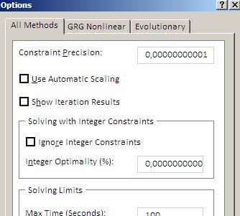
7.4) | 2 | -2 | 0 | 3 |  | 100 |  |  |  |  |  |  | *
 |  |  |  | 4 iterations |  |  |  |  |  |  |  |  | *
INTEGER VARIABLES |  |  |  | Opti. integer solution: X* = (2; 1), zmax = 7 |  |  |  |  |  |  |  |  | *
x = | 1 | 1 |  |  |  | Solver model |  |  |  |  |  |  | *
7.1) | 4 | -1 | 3 | = z max |  | 3 |  |  |  |  |  |  | *
 | x1 | x2 |  | RHS (max) |  | 2 |  |  |  |  |  |  | *
7.2) | 7 | -2 | 5 | 14 |  | TRUE |  |  |  |  |  |  | *
7.3) | 0 | 1 | 1 | 3 |  | TRUE |  |  |  |  |  |  | *
7.4) | 2 | -2 | 0 | 3 |  | 100 |  |  |  |  |  |  | *
 |  |  |  | 10 iterations |  |  |  |  |  |  |  |  | *
 |  |  |  |  |  |  |  |  |  |  |  |  | *
 |  |  | BEWARE ! | Ignore Integer Constraints ? |  |  |  |  |  |  |  |  | *
 |  |  |  |  |  |  |  |  |  |  |  |  | *
 |  |  |  |  |  |  |  |  |  |  |  |  | *
 |  |  |  |  |  |  |  |  |  |  |  |  | *
 |  |  |  |  |  |  |  |  |  |  |  |  | *
 |  |  |  |  |  |  |  |  |  |  |  |  | *
* | * | * | * | * | * | * | * | * | * | * | * | *

